Sheet2
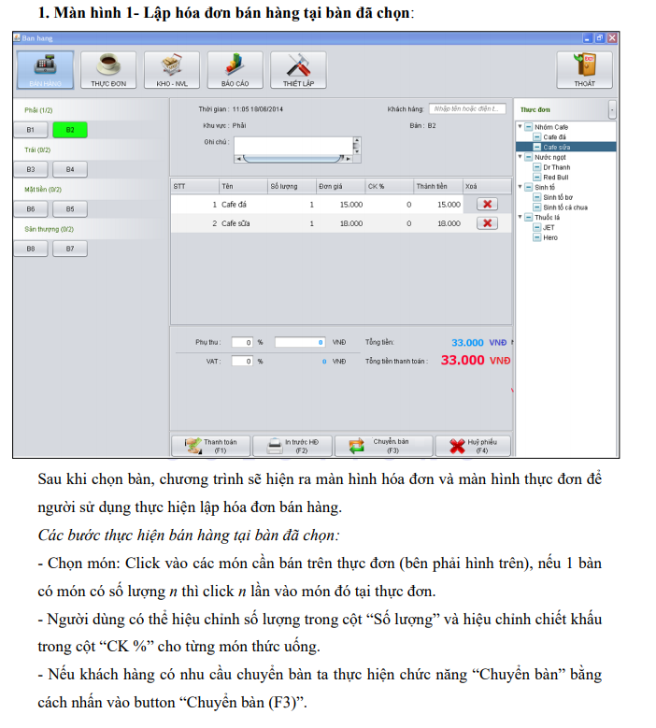
trường hơp chọn bàn đã được chọn rồi

